Sheet1
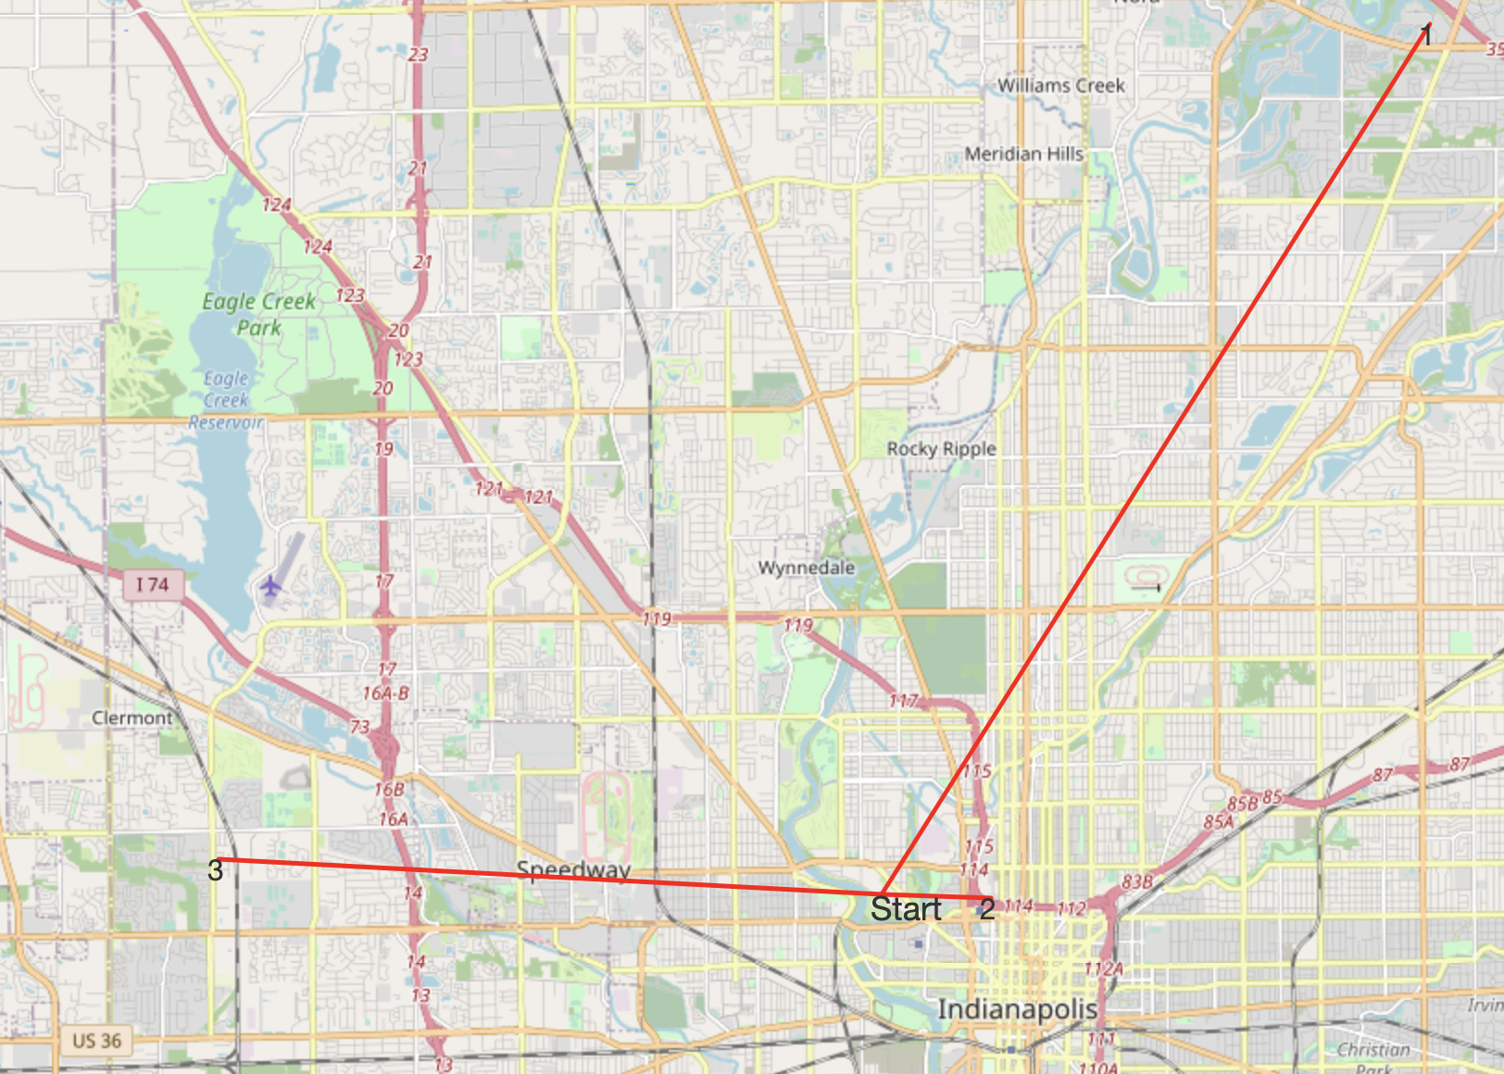
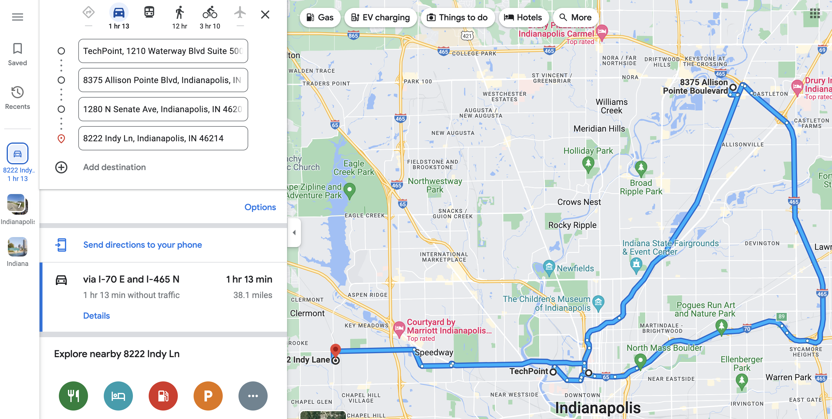
Time | Food_Truck | Start_Time | End_Time | Cuisine | Address | Travel_Time | Travel_Distance | Transportation_Type
09:00 AM | Scout's Treat Truck | 06:30 AM | 08:00 PM | Bakeries | 8375 Allison Pointe Blvd, Indianapolis, IN 46250, USA | 27 mins | 18.62 Miles | transit
01:00 PM | Gaucho's Fire Express | 10:30 AM | 09:00 PM | Sandwiches | 1280 N Senate Ave, Indianapolis, IN 46202, USA | 7 mins | 1.65 Miles | rideshare
07:00 PM | Pi Indy | 05:00 PM | 08:00 PM | Pizza | 8222 Indy Ln, Indianapolis, IN 46214, USA | 18 mins | 7.55 Miles | transit

